Responsive testing
Responsive Testing

Create An Account Page in Mobile

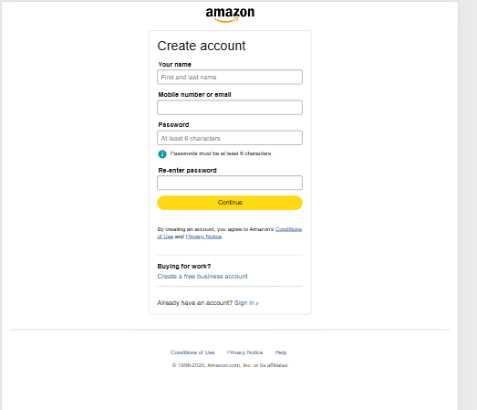

Create An Account Page in PC

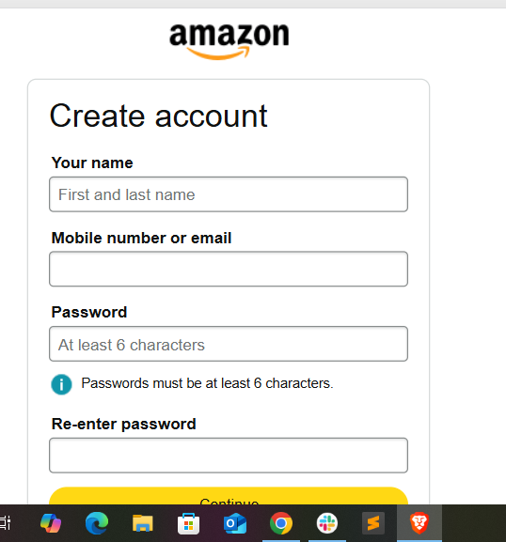

Create An Account Page In Tablet

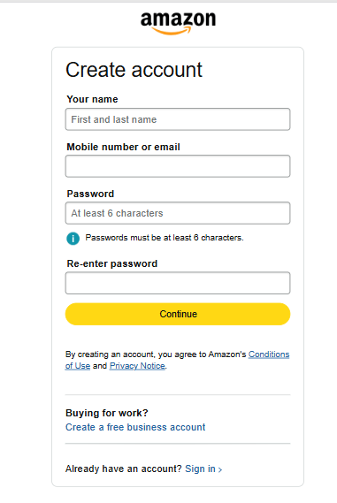

 | Objective | Test scenario | Devices to Test | Browsers | Tools | Pass/Fail
 | Ensure The website renders and functions correctly across different devices | Homeoage layput on desktop,laptop and mobile | Mobile | Chrome | Dev Tools | No content cutoff
 |  | Content Alignment and text readbility | Laptop | firefox | Dev Tools | Text and images adapt properly
 |  | From usability and validation | PC | Edge | Dev Tools | No major Layout Shift Or Errors
 |  | Images scaling and responsivness

